Sheet1
No. | Question | Answer
1 | 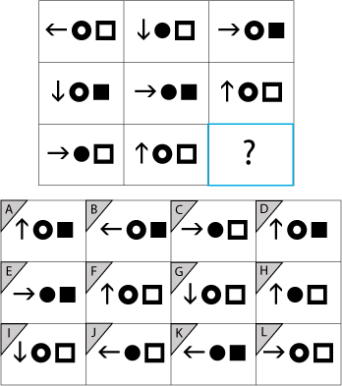 Choose which one of the options best fits the missing symbol. | K
2 | Which one does not fit the pattern? | D
3 | Choose the word that is opposite, or almost opposite to the word:RESTRAINT.A:Control B:Curtailment C:Restriction D:Subtly E:Abandon | E:Abandon
4 | 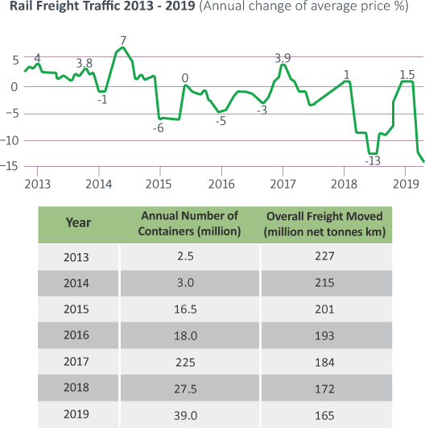 In 2016, Metal accounts for 8% of Freight Moved and 5% of containers.What was the average Freight Moved per container for Metal?A:11.16 tonnes B:13.16 tonnes C:15.16 tonnes D:17.16 tonnes E:19.16 tonnes | D:17.16 tonnes
5 | Choose the word that is opposite, or almost opposite to the word: MESS.A:Disarray B:Order C:Clutter D:Shambles E:Jumble | B:Order
6 | There are four pipes used to fill a tank at a constant rate. Altogether, the four pipes are able to fill up the tank in 4 hours. The owner wishes to reduce this time taken to 2 hours. How many more pipes filling up the tank at a constant rate will they need to install?A:1 B:2 C:3 D:4 E:5 F:6 | D:4
7 | 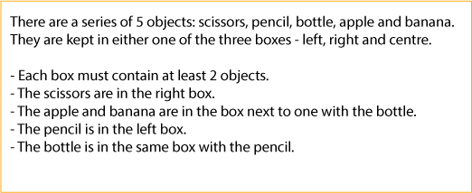 The sixth object, a coin, is placed in one of the three boxes. Which box is it placed in? A:Left B:Centre C:Right | C:Right
8 | Complete the sequence.A:100 B:121 C:144 D:169 E:196 | C:144
9 | 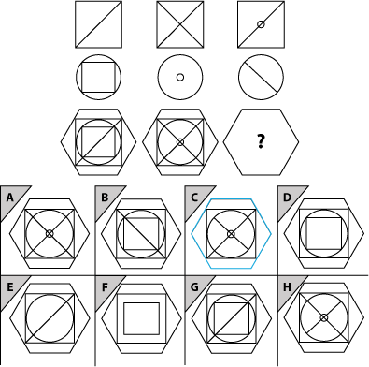 Please select the answer that completes the matrix. | C
10 | 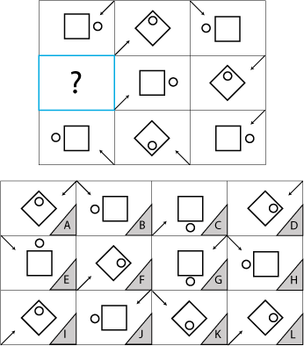 Choose which one of the options best fits the missing symbol. | K

